FenceTypes
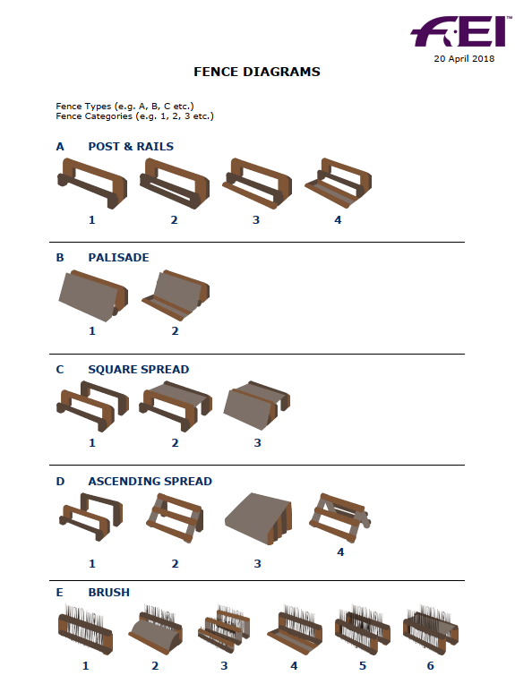
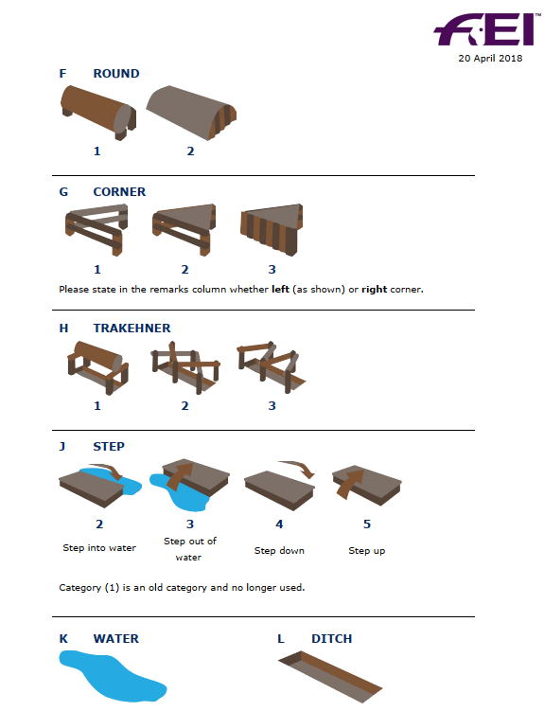

You should use the category nearest to the fence profile in most cases; the category (0) is only available if you have a fence in any fence
type that it is impossible to fit into any of the categories offered. If you use category (0) please elaborate in the remarks column

